Definitions
Definition |  | Test video or Image | Remarks(if any)
Day light | Too bright | NA | Test not conducted due to lack of video input.
 | Less bright | test_video1.mp4,test_video4.mp4
 | Dull weather | test_video3.mp4
Sudden Change of line |  | test_video6.mp4 (13sec to 17sec, test_video4.m4v(4 sec to 6 sec)

Horizontal curve |  | test_video5.m4v
Steep curved Lanes |  | test_video9.mp4
Narrow road |  | 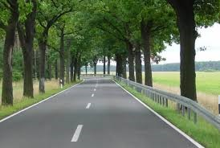 | Test not conducted due to lack of video input.
Wide road |  | test_video6.m4v
weather Conditions | snow | NA | Test not conducted due to lack of video input.
 | Rain | NA

